4.1 Revenue & Cost Breakdown
 |  | Financial Projection Breakdown

 |  | 1. Assumptions Details key decision points affecting the model
 |  | 2. Revenues Breaks down revenue expectations across various users
 |  | 3. Costs Breaks down costs across OpEx and CapEx

 | Assumptions
1 | Individual users are excluded from the model as they represent a negligible share of total revenue
2 | Revenue is based solely on bundled product offerings, with no income for individual features
3 | The model focuses exclusively on targeting universities during the first five years
4 | University adoption growth rates vary over time
5 | Universities receive one-year free trials, after which all transition to paid subscriptions by year two
6 | The model excludes additional revenue streams such as advertising, data licensing, or LLM partnerships
7 | R1 universities are captured first through free trials, followed by sequential adoption by R2 and R3 institutions + non-doctoral U.S. and global universities
8 | Costs are based on phased rollout of features beginning in 2026, 2028, and 2030 respectively
9 | AI training operations commence in phase two of implementation
10 | Capital expenditures (e.g., office) begin midway through phase three (past 2030)

 | Users
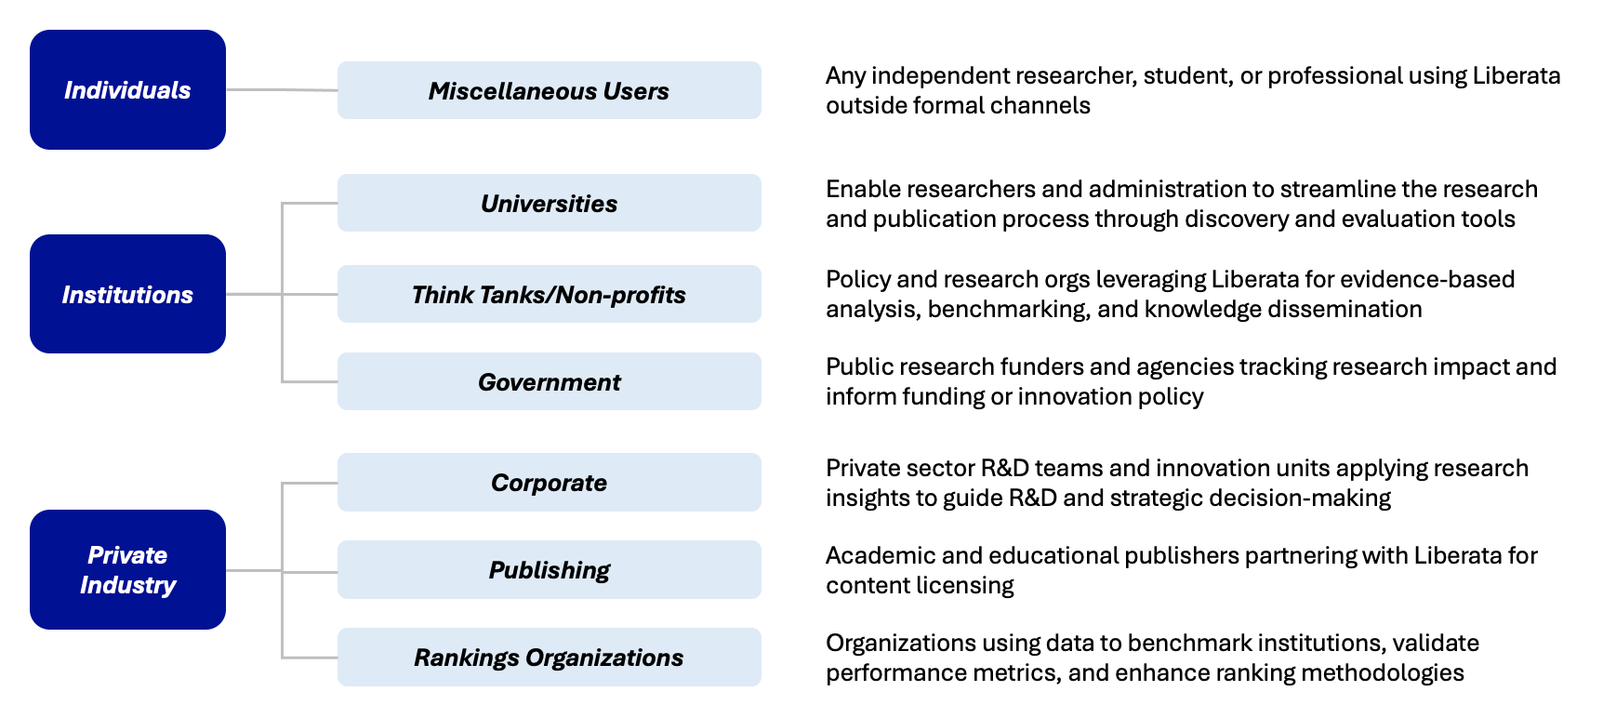

 | Revenues

 | User 1 - Universities | Free trial period (note: end of free trial period for universities corresponds with planned feature releases for 2028)

 |  | 2026 | 2027 | 2028 | 2029 | 2030 | 2031 | 2032 | 2033 | 2034 | 2035
 | % growth in universities with Liberata subscriptions | N/A | 100% | 50% | 50% | 50% | 60% | 60% | 60% | 50% | 50%
 | Total # of universities with a Liberata subscription | 15 | 30 | 45 | 68 | 101 | 162 | 259 | 415 | 622 | 933
 | Number of universities with one year free trial subscriptions | 8 | 8 | - | - | - | - | - | - | - | -
 | Number of R1 universities with paid subscriptions | 8 | 23 | 45 | 68 | 101 | 162 | 187 | 187 | 187 | 187
 | Number of R2 universities with paid subscriptions |  | - | - | - | - | - | 72 | 139 | 139 | 139
 | Number of R3 universities with paid subscriptions |  | - | - | - | - | - | - | 89 | 189 | 189
 | Number of other U.S. universities with paid subscriptions |  | - | - | - | - | - | - | - | 107 | 418
 | Number of other global universities with paid subscriptions |  | - | - | - | - | - | - | - | - | -
 | % increase in price | 0% | 0% | 0% | 5% | 5% | 5% | 5% | 5% | 5% | 5%
 | Spend per R1 university on paid subscriptions | $200,000 | $200,000 | $200,000 | $210,000 | $220,500 | $231,525 | $243,101 | $255,256 | $268,019 | $281,420
 | Spend per R2 university on paid subscriptions | $180,000 | $180,000 | $180,000 | $189,000 | $198,450 | $208,373 | $218,791 | $229,731 | $241,217 | $253,278
 | Spend per R3 university on paid subscriptions | $160,000 | $160,000 | $160,000 | $168,000 | $176,400 | $185,220 | $194,481 | $204,205 | $214,415 | $225,136
 | Spend per other U.S. university on paid subscriptions | $140,000 | $140,000 | $140,000 | $147,000 | $154,350 | $162,068 | $170,171 | $178,679 | $187,613 | $196,994
 | Spend per other global university on paid subscriptions | $120,000 | $120,000 | $120,000 | $126,000 | $132,300 | $138,915 | $145,861 | $153,154 | $160,811 | $168,852
 | Revenues | $1,500,000 | $4,500,000 | $9,000,000 | $14,175,000 | $22,325,625 | $37,507,050 | $61,256,653 | $97,782,567 | $144,262,904 | $212,749,081

 | User 2 - Think Tanks/Non-Profits

 |  | 2026 | 2027 | 2028 | 2029 | 2030 | 2031 | 2032 | 2033 | 2034 | 2035
 | % growth in users with subscriptions | N/A | 10% | 10% | 10% | 10% | 10% | 10% | 10% | 10% | 10%
 | Number of think tanks/non-profits with subscriptions | - | - | - | - | - | 3,000 | 3,300 | 3,630 | 3,993 | 4,392
 | % increase in price | 0% | 0% | 0% | 5% | 5% | 5% | 5% | 5% | 5% | 5%
 | Spend per think tank/non-profit on subscriptions | $50,000 | $50,000 | $50,000 | $52,500 | $55,125 | $57,881 | $60,775 | $63,814 | $67,005 | $70,355
 | Revenues | $- | $- | $- | $- | $- | $173,643,750 | $200,558,531 | $231,645,104 | $267,550,095 | $309,020,359

 | User 3 - Government Organization

 |  | 2026 | 2027 | 2028 | 2029 | 2030 | 2031 | 2032 | 2033 | 2034 | 2035
 | % growth in users with subscriptions | N/A | 10% | 10% | 10% | 10% | 10% | 10% | 10% | 10% | 10%
 | Number of government bodies with subscriptions | - | - | - | - | - | 500 | 550 | 605 | 666 | 732
 | % increase in price | 0% | 0% | 0% | 5% | 5% | 5% | 5% | 5% | 5% | 5%
 | Spend per government body on subscriptions | $50,000 | $50,000 | $50,000 | $52,500 | $55,125 | $57,881 | $60,775 | $63,814 | $67,005 | $70,355
 | Revenues | $- | $- | $- | $- | $- | $28,940,625 | $33,426,422 | $38,607,517 | $44,591,682 | $51,503,393

 | User 4 - Corporations

 |  | 2026 | 2027 | 2028 | 2029 | 2030 | 2031 | 2032 | 2033 | 2034 | 2035
 | % growth in users with subscriptions | N/A | 10% | 10% | 10% | 10% | 10% | 10% | 10% | 10% | 10%
 | Number of corporations with subscriptions | - | - | - | - | - | 500 | 550 | 605 | 666 | 732
 | % increase in price | 0% | 0% | 0% | 5% | 5% | 5% | 5% | 5% | 5% | 5%
 | Spend per corporation on subscriptions | $100,000 | $100,000 | $100,000 | $105,000 | $110,250 | $115,763 | $121,551 | $127,628 | $134,010 | $140,710
 | Revenues | $- | $- | $- | $- | $- | $57,881,250 | $66,852,844 | $77,215,035 | $89,183,365 | $103,006,786

 | User 5 - Publishing Organizations

 |  | 2026 | 2027 | 2028 | 2029 | 2030 | 2031 | 2032 | 2033 | 2034 | 2035
 | % growth in users with subscriptions | N/A | 10% | 10% | 10% | 10% | 10% | 10% | 10% | 10% | 10%
 | Number of publishing orgs with subscriptions | - | - | - | - | - | 50 | 55 | 61 | 67 | 73
 | % increase in price | 0% | 0% | 0% | 5% | 5% | 5% | 5% | 5% | 5% | 5%
 | Spend per publishing org on subscriptions | $10,000 | $10,000 | $10,000 | $10,500 | $11,025 | $11,576 | $12,155 | $12,763 | $13,401 | $14,071
 | Revenues | $- | $- | $- | $- | $- | $578,813 | $668,528 | $772,150 | $891,834 | $1,030,068

 | User 6 - Rankings Organizations

 |  | 2026 | 2027 | 2028 | 2029 | 2030 | 2031 | 2032 | 2033 | 2034 | 2035
 | % growth in users with subscriptions | N/A | 10% | 10% | 10% | 10% | 10% | 10% | 10% | 10% | 10%
 | Number of rankings orgs with subscriptions | - | - | - | - | - | 10 | 11 | 12 | 13 | 15
 | % increase in price | 0% | 0% | 0% | 5% | 5% | 5% | 5% | 5% | 5% | 5%
 | Spend per rankings org on subscriptions | $30,000 | $30,000 | $30,000 | $31,500 | $33,075 | $34,729 | $36,465 | $38,288 | $40,203 | $42,213
 | Revenues | $- | $- | $- | $- | $- | $347,288 | $401,117 | $463,290 | $535,100 | $618,041

 | Costs

 |  | Phase 1 - Seed Development |  | Phase 2 - Growth |  | Phase 3 - Scaling
 |  | 2026 | 2027 | 2028 | 2029 | 2030 | 2031 | 2032 | 2033 | 2034 | 2035
 | Operating Expenses (OpEx)
 | Salaries & Wages: | 5% | 5% | 5% | 5% | 5% | 5% | 5% | 5% | 5% | 5% | Generic annual % increase of salary/wages (used for SWE + years 1-2 management)
 | Software engineering | $1,980,000 | $2,079,000 | $2,849,000 | $2,991,450 | $6,351,450 | $6,669,023 | $7,002,474 | $7,352,597 | $7,720,227 | $8,106,239
 | Marketing | 5% | 5% | 5% | 5% | 5% | 5% | 5% | 5% | 5% | 5% | Annual % increase in marketing personnel
 |  | $270,000 | $297,000 | $326,700 | $359,370 | $395,307 | $434,838 | $478,321 | $526,154 | $578,769 | $636,646
 | Other business functions (e.g., finance, ops, accounting) |  |  |  | 10% | 10% | 10% | 10% | 10% | 10% | 10% | Annual % increase in other business functions personnel
 |  |  |  | $1,200,000 | $1,320,000 | $1,452,000 | $1,597,200 | $1,756,920 | $1,932,612 | $2,125,873 | $2,338,461
 | Management | 5% | 5% | 8% | 8% | 8% | 8% | 8% | 8% | 8% | 8%
 |  | $600,000 | $630,000 | $720,000 | $777,600 | $839,808 | $906,993 | $979,552 | $1,057,916 | $1,142,550 | $1,233,953
 | Cloud/Compute costs | 15% | 15% | 15% | 15% | 15% | 15% | 15% | 15% | 15% | 15% | Annual % increase in of cloud compute costs
 |  | $25,000 | $28,750 | $33,063 | $38,022 | $43,725 | $50,284 | $57,827 | $66,500 | $76,476 | $87,947
 | Marketing/Outreach costs | 15% | 15% | 15% | 15% | 15% | 15% | 15% | 15% | 15% | 15% | Annual % increase in of marketing/outreach costs
 |  | $100,000 | $115,000 | $132,250 | $152,088 | $174,901 | $201,136 | $231,306 | $266,002 | $305,902 | $351,788
 | SG&A Costs | 20% | 20% | 20% | 20% | 20% | 20% | 20% | 20% | 20% | 20% | Annual % increase in of SG&A
 |  | $50,000 | $60,000 | $72,000 | $86,400 | $103,680 | $124,416 | $149,299 | $179,159 | $214,991 | $257,989
 | AI Training Costs |  |  |  | 15% | 15% | 15% | 15% | 15% | 15% | 15% | Annual % increase in of AI training costs
 |  |  |  | $25,000 | $28,750 | $33,063 | $38,022 | $43,725 | $50,284 | $57,827 | $66,500
 | Capital Expenditures (CapEx)
 | Office and other expenditures |  |  |  |  |  |  |  | $500,000 | $500,000 | $500,000
 | TOTALS | $3,025,000 | $3,209,750 | $5,358,013 | $5,753,679 | $9,393,933 | $10,021,910 | $10,699,424 | $11,931,225 | $12,722,614 | $13,579,522

